Visual_Dashboard
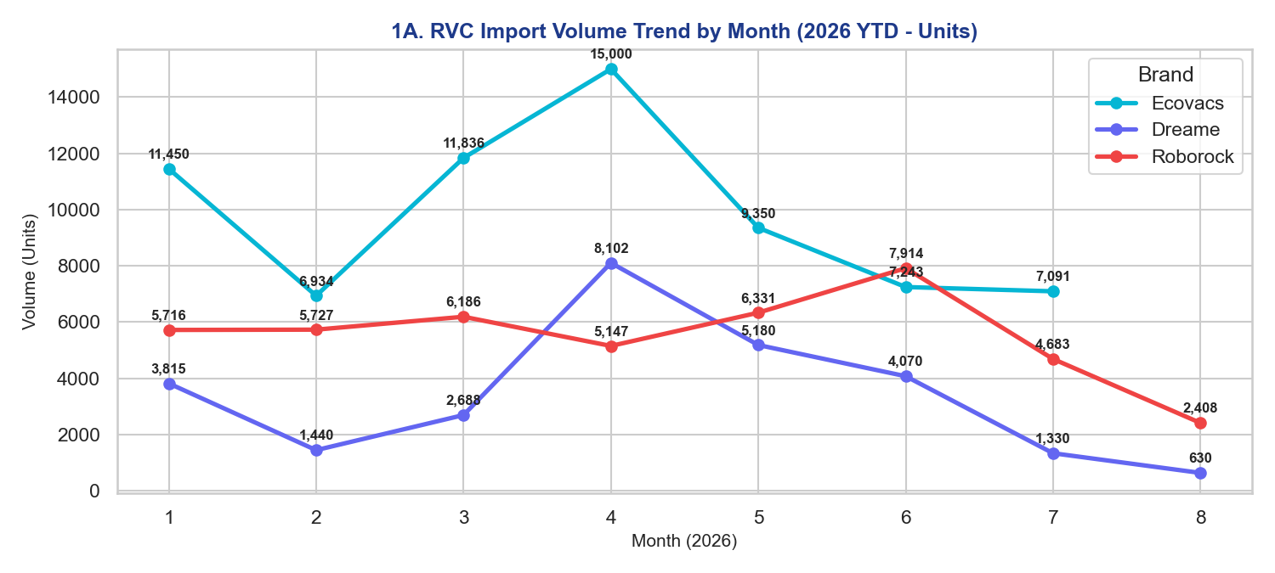
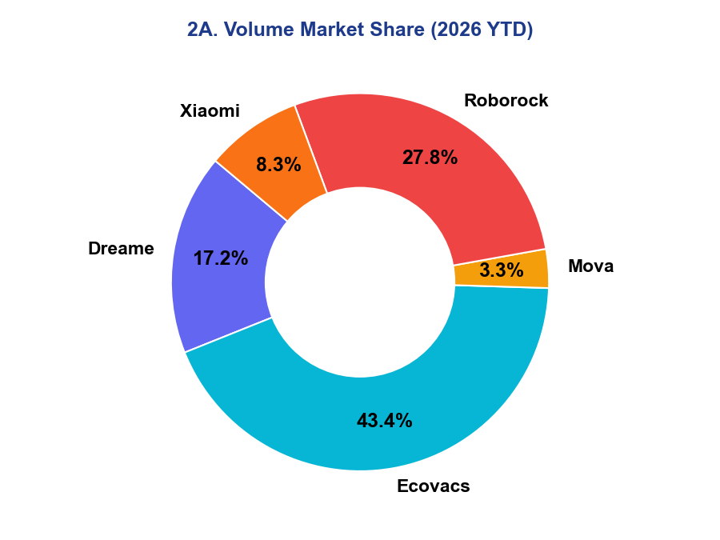
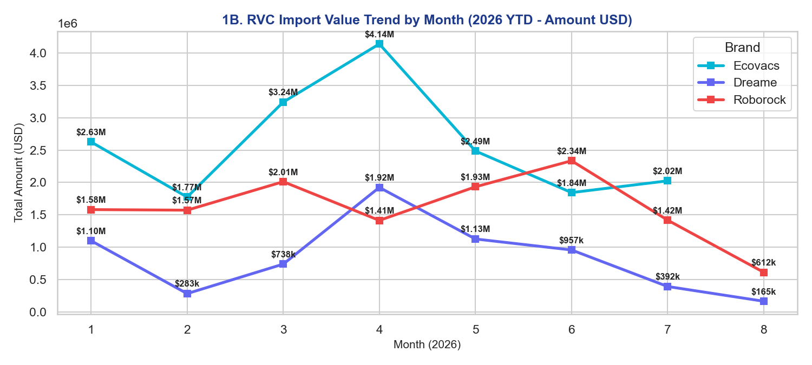
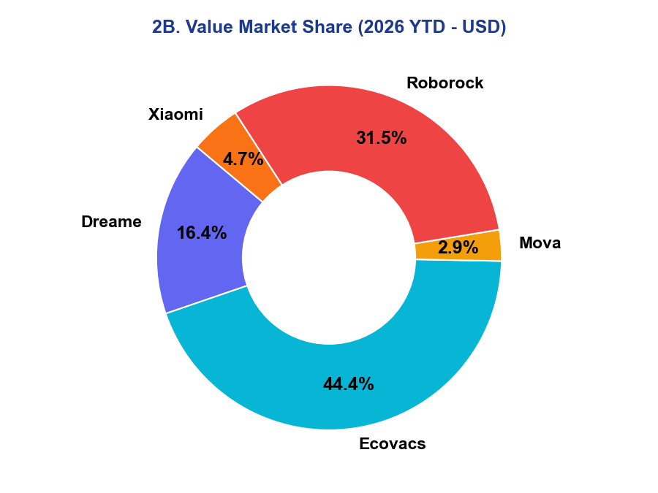
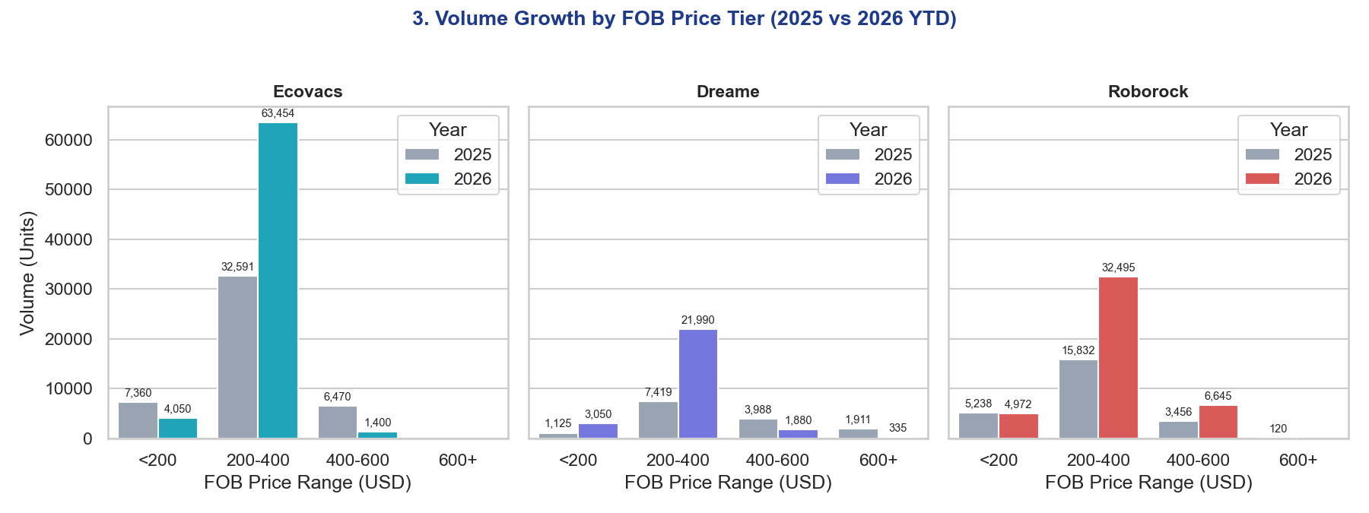
RVC CUSTOMS IMPORT ANALYTICS DASHBOARD (2026 YTD)
Comprehensive visual dashboard covering Volume, Total Amount (USD), and FOB Segments

